Tournemant registration
AROS ENTRY 2017

How to register:
1. Fill in your name, club/team/nation and your mobile phone in the fields below
2. Fill in the players information (Name, Birthday and Nation/Club/Team) in the fields further down.
3. For each player you have to identify a leader and fill in the leaders info (Name, E-mail and cell phone)
4. For each player indicate the categories wanted. (MS or WS and the double partners). If you do not have a partner, but want AROS to find one, then indicated: "Partner wanted".
5. Check if Entry status seems OK (to the right of the entries)
6. Save your file and send it to: aros.entry@gmail.com
7. Transfer the calculated amount to the banking info given to the below. Remember to add your booking reference.
8. When AROS has received your entry file and your transfer, you will receive a confirmation.
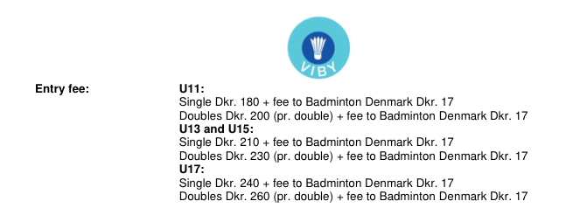

This booking is made by:
Name
Club/Team/Nation
e-mail
Cell phone
Your Booking reference: | ENTRY-

Total amount (dkk) | 0

To be transferred to:
Vestjysk Bank, Torvet 2, 7650 Ringkøbing
Iban: | DK97 7650 0002 4727 15
Swift: | VEHODK22
No later than: | 2017-03-23
Remember to add your booking reference

Your entry is considered valid only when your transfer has been verified.

U11: Born 2006 or 2007 |  |  |  |  |  | Categories |  |  |  |  |  |  | Entry status
Player information |  |  | Leaders contact information
Name | Birthday DDMMYY | Nation/Club/Team | Name | E-mail | Cell Phone | MS | WS | Men's Double- partner | Women's Double-partner | MIX Double- partner |  | Fee (dkk) |  | Single status | Double status | Mix status | Entry status

 |  |  |  |  |  |  |  |  |  |  | Total | 0 | dkk
U13: Born 2004 or 2005 |  |  |  |  |  | Categories |  |  |  |  |  |  | Entry status
Player information |  |  | Leaders contact information
Name | Birthday DDMMYY | Nation/Club | Name | E-mail | Cell Phone | MS | WS | Men's Double- partner | Women's Double-partner | MIX Double- partner |  | Fee (dkk) |  | Single status | Double status | Mix status | Entry status

 |  |  |  |  |  |  |  |  |  |  | Total | 0 | dkk
U15: Born 2002 or 2003 |  |  |  |  |  | Categories |  |  |  |  |  |  | Entry status
Player information |  |  | Leaders contact information
Name | Birthday DDMMYY | Nation/Club | Name | E-mail | Cell Phone | MS | WS | Men's Double- partner | Women's Double-partner | MIX Double- partner |  | Fee (dkk) |  | Single status | Double status | Mix status | Entry status

 |  |  |  |  |  |  |  |  |  |  | Total | 0 | dkk
U17: Born 2000 or 2001 |  |  |  |  |  | Categories |  |  |  |  |  |  | Entry status
Player information |  |  | Contact information
Name | Birthday DDMMYY | Nation/Club | Name | E-mail | Cell Phone | MS | WS | Men's Double- partner | Women's Double-partner | MIX Double- partner |  | Fee (dkk) |  | Single status | Double status | Mix status | Entry status

 |  |  |  |  |  |  |  |  |  |  | Total | 0 | dkk

 |  |  |  |  |  |  |  |  |  |  | All total | 0 | dkk

